SHELL
BRAND WOMENS JACKET |  |  |  |  |  |  | SAMPLE SIZE SMALL / XS-L
SEASON: |  | WINTER 2018/2019 |  |  | CONTRACTOR:
STYLE NUMBER: |  | W18-103 |  |  | DATE CREATED: |  | 2017-03-24
STYLE NAME: |  | SPIRE |  |  | DATE REVISED: |  | 2017-03-29
WATERPROOF/BREATHABILITY: |  | 10K/10K |  |  | BLOCK: |  | 0
SEAM SEALING: |  | CRITICALLY SEAM SEALED |  |  | FIT:
INSULATION: |  | 150G PINNECO CORE ALL OVER |  |  | TARGET FOB:
 | 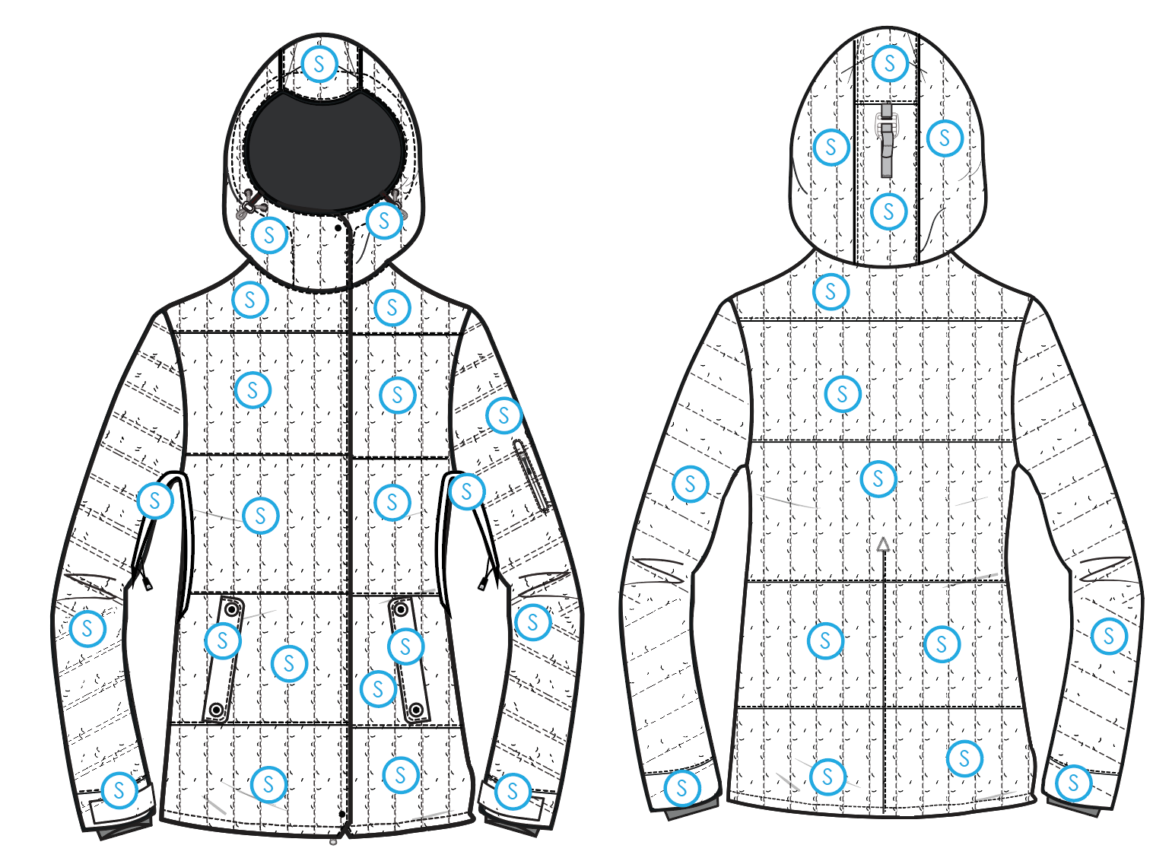
 |  |  |  | COLORWAYS
SHELL FABRIC | SUPPLIER/ REFERENCE NUMBER | LOCATION | CONTENT | COLORWAY 1 | COLORWAY 2 | COLORWAY 3 | COLORWAY 4 | COLORWAY 5
 | SOLIS/ SONR023-2L35-J | "S" |  | COLOR

INSULATION | SUPPLIER/ REFERENCE NUMBER | LOCATION | CONTENT | COLORWAY 1 | COLORWAY 2 | COLORWAY 3 | COLORWAY 4 | COLORWAY 5 | 0
POLYFILL | PINNECO CORE | ALL OVER | 100% POLYESTER | 150G

SEAM TAPE | SUPPLIER/ REFERENCE NUMBER | LOCATION | CONTENT | COLORWAY 1 | COLORWAY 2 | COLORWAY 3 | COLORWAY 4 | COLORWAY 5 | 0
SEAM TAPE | TSGS | CRITICALLY TAPED |  | CRITICALLY TAPED

LINING | SUPPLIER/ REFERENCE NUMBER | LOCATION | CONTENT | COLORWAY 1 | COLORWAY 2 | COLORWAY 3 | COLORWAY 4 | COLORWAY 5 | 0
SOLID 210T | SOLIS / SONP006-1 | HOOD | 100% NYLON | COLOR
SOLID 210T | SOLIS / SONP006-1 | MAIN BODY | 100% NYLON | COLOR
SOLID 210T | SOLIS / SONP006-1 | SLEEVES | 100% NYLON | COLOR
SOLID 210T | SOLIS / SONP006-1 | SECONDARY POCKET BAGS | 100% NYLON | COLOR
SOLID COATED 210T | SOLIS / SONP006-PU03 | LOWER BODY & POWDER SKIRT | 100% POLYESTER | COLOR
BRUSHED TRICOT | SUPPLIER / REF CODE | HAND POCKET BAGS | 100% POLYESTER | COLOR
BRUSHED TRICOT | SUPPLIER / REF CODE | CHIN GUARD | 100% POLYESTER | COLOR
POWER STRETCH MESH | SUPPLIER / REF CODE | GOGGLE POCKET | 100% POLYESTER | COLOR
LYCRA | SUPPLIER / REF CODE | SLEEVE GAITERS | CONTENT | COLOR

MEASUREMENTS
BRAND WOMENS JACKET |  |  |  |  |  |  |  | SAMPLE SIZE SMALL / XS-L
SEASON: |  | WINTER 2018/2019 |  |  |  |  |  | CONTRACTOR: |  |  |  |  |  | 0
STYLE NUMBER: |  | W18-103 |  |  |  |  |  | DATE CREATED: |  |  |  |  |  | 2017-03-24
STYLE NAME: |  | SPIRE |  |  |  |  |  | DATE REVISED: |  |  |  |  |  | 2017-03-29
WATERPROOF/BREATHABILITY: |  | 10K/10K |  |  |  |  |  | BLOCK: |  |  |  |  |  | 0
SEAM SEALINING: |  | CRITICALLY SEAM SEALED |  |  |  |  |  | FIT: |  |  |  |  |  | 0
INSULATION: |  | 150G PINNECO CORE ALL OVER |  |  |  |  |  | TARGET FOB: |  |  |  |  |  | $0.00
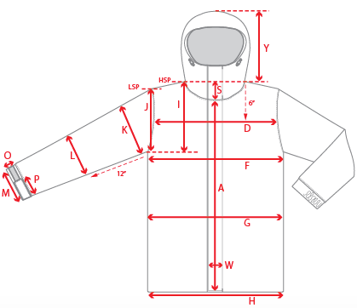 |  |  | 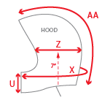 |  |  | 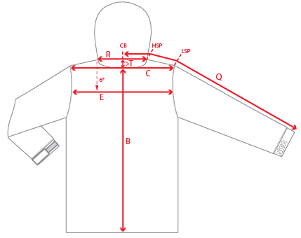
 |  |  |  | 1ST PROTO |  |  | 2ND PROTO |  |  | 3RD PROTO |  |  | S/SAMPLE |  |  | PP SAMPLE |  | FINAL
 |  |  | DATE: |  |  | DATE: |  |  | DATE: |  |  | DATE: |  |  | DATE:
 |  | TOL +/- | INITIAL MEASMNT | SAMPLE MEASURES | REVISE TO | REQUESTED | SAMPLE MEASURES | REVISE TO | REQUESTED | SAMPLE MEASURES | REVISE TO | REQUESTED | SAMPLE MEASURES | REVISE TO | REQUESTED | SAMPLE MEASURES | REVISE TO | APPROVED MEASMNTS
A | CF LENGTH - FROM NECKLINE | 0.25 | 24
B | CB LENGTH - FROM NECKLINE | 0.25 | 27.75
C | SHOULDER WIDTH | 0.25 | 16
D | ACROSS FRONT- 6" FROM HPS | 0.25
E | ACROSS BACK- 6" FROM HPS | 0.25
F | CHEST WIDTH - 1" BELOW ARMHOLE (1/2 MEASURE) | 0.25 | 20.5
G | WAIST WIDTH - FROM HSP: XS-16", S-16.5", M-17", L-17.5" (1/2 MEASURE) | 0.25 | 20
 | HIP WIDTH - FROM HSP: XS-22", S-22.5", M-23", L-23.5" (1/2 MEASURE) | 0.25
H | HEM OPENING - (1/2 MEASURE) | 0.25 | 22
I | ARMHOLE FRM HSP - STRAIGHT (1/2 MEASURE) | 0.125
J | ARMHOLE FRM LSP - STRAIGHT (1/2 MEASURE) | 0.125 | 9.25
K | BICEP - 1" BELOW UNDERARM (1/2 MEASURE) | 0.125 | 8.25
L | ELBOW - 10" BELOW UNDERARM (1/2 MEASURE) | 0.125 | 7
M | SLEEVE OPENING - RELAXED (1/2 MEASURE) | 0.125 | 5.75
N | SLEEVE OPENING - STRETCHED (1/2 MEASURE) | 0.125
 | WRIST GATOR LENGTH | 0.125 | 3.375
 | WRIST GATOR OPENING (1/2 MEASURE) | 0.125 | 3.5
O | CUFF HEIGHT | 0.125 | 1.75
P | CUFF TAB LENGTH | 0.125 | 4
Q | CB SLEEVE LENGTH - 3 PT MEASURE FROM CB | 0.25 | 34.5
R | NECK WIDTH - STRAIGHT HPS TO HPS (1/2 MEASURE) | 0.125 | 9.5
S | FRONT NECK DROP - FROM HSP | 0.125 | 4
T | BACK NECK DROP - FROM HSP | 0.125 | 1
U | CF COLLAR HEIGHT | 0.125 | 4.25
V | CB COLLAR HEIGHT | 0.125
W | CENTER FRONT PLACKET WIDTH | 0.125 | 1.75
X | COLLAR CIRCUMFERENCE | 0.25 | 27.5
Y | HOOD HEIGHT - SHOULDER SEAM TO TOP | 0.125 | 14.5
Z | HOOD WIDTH - 8" DOWN | 0.125 | 10.25
AA | HOOD RUN | 0.25 | 20.75
AB | POWDER SKIRT LENGTH - EDGE TO EDGE, RELAXED | 0.5
AC | WAIST GAITER ELASTIC - FULL MEAS. RELAXED | 0.5 | 29.5
AD | WAIST GAITER ELASTIC - MIN. FULL MEAS. EXTENDED | 0.5 | 37
AE | POWDER SKIRT HEIGHT AT CB (INCLUDES ELASTIC) | 0.25 | 6.25
 | CHEST POCKET WELT LENGTH | 0.125
 | CHEST POCKET WELT WIDTH | 0.125
 | HAND POCKET WELT/FLAP LENGTH | 0.125 | 6.5
 | HAND POCKET WELT/FLAP WIDTH | 0.125 | 1.75
ZIPPERS | CENTER FRONT | 0.25 | 28.25
 | SLEEVE POCKET | 0.125 | 4.75
 | UNDERARM VENTS | 0.25 | 10
 | HAND POCKETS HORIZONTAL | 0.25 | 6
 | LINING POCKET VERTICAL | 0.125 | 6

 | ZIPPER RULES:
 | CF = XXX SHORTER THAN CF LENGTH

COMMENTS
BRAND WOMENS JACKET
SEASON: |  | WINTER 2018/2019 | CONTRACTOR: | 0
STYLE NUMBER: |  | W18-103 | DATE CREATED: | 2017-03-24
STYLE NAME: |  | SPIRE | DATE REVISED:
WATERPROOF/BREATHABILITY: |  | 10K/10K | BLOCK: | 0
SEAM SEALING: |  | CRITICALLY SEAM SEALED | FIT: | 0
INSULATION: |  | 150G PINNECO CORE ALL OVER | TARGET FOB: | $0.00

STATUS: | X | DATE SENT:
 |  | NOT APPROVED FOR S/SAMPLES; SUBMIT A 2nd PROTO SAMPLE (subject to revisions)
 |  | NOT APPROVED FOR S/SAMPLES; SUBMIT A 3rd PROTO SAMPLE (subject to revisions)
 |  | NOT APPROVED FOR S/SAMPLES; SUBMIT A MOCK UP (subject to revisions)
 |  | APPROVED FOR S/SAMPLES (subject to revisions)
 |  | NOT APPROVED FOR PRODUCTION; SUBMIT A P/P SAMPLE (subject to revisions)
 |  | APPROVED FOR PRODUCTION (subject to revisions)

2017-03-24 | 1ST PROTO REQUEST
 | >NOTE THAT THE CB SEAM IS JUST A DESIGN DETAIL AND DOES NOT ACT AS A DART
 | >FRONT HORIZONTAL LINES ARE SEAMS WITH EDGESTITCH.
 | 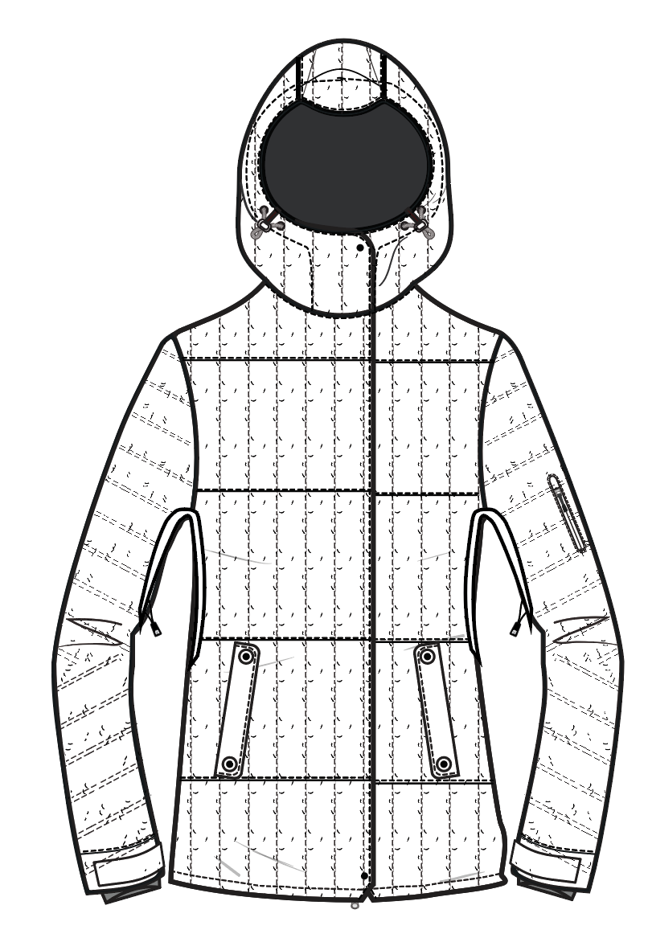 >CAN YOU SEND A FRONT PANEL MOCK UP WITH HORIZONTAL SEAMS REVISED TO 18" DN TOPSTITCH TO COMPARE COST AND LOOK?
 | SUBMIT PROTO FOR REVIEW

2017-03-27 | >STYLE NUMBER UPDATED FROM 105 TO 103
 | >ALL ZIPPERS UPDATED TO USE YKK
 | >ADD SNAP AWAY POWDER SKIRT
 | >REVISE LOWER BODY TO NYLON COATED 210T SINCE POWDER SKIRT IS ADDED
 | >ADD GOGGLE POCKET MADE OF POWER STRETCH MESH
 | >CENTER FROM ZIPPER IS REVISED FROM COIL TO VISLON
 | >UNDER ARM VENTS ARE ADDED TO THIS STYLE
 | >SLEEVE POCKET ZIPPER REVISED TO #3 AQUAGUARD COIL

